Gases NO polares
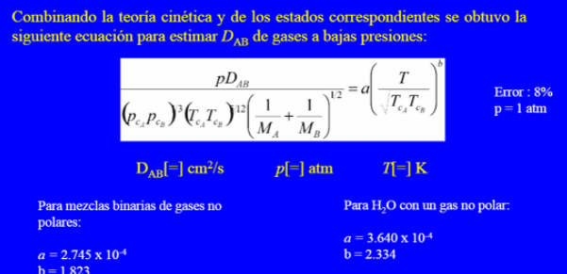
 |  | Datos | Sustancia | P_c (atm) | T_c (K) | M (g/mol)
 |  | A |  | 73.8 | 304.1 | 44
 |  | B |  | 33.9 | 126.2 | 28
 |  | Temperatura (K) | 323
 |  | Presion (atm) | 2
 |  | a (cte) | 0.0002745
 |  | b (cte) | 1.823

 |  | D_ab | 0.091106207728 | cm^2 / s

Para H_2O con gas NO polar
a | 0.000364
b | 2.334

Wilkie
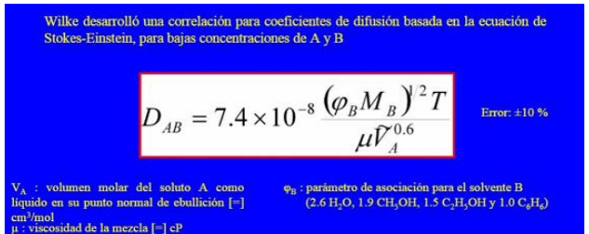
A |  |  | B |  |  | T (K)
M_A (g/mol) | 60.000 |  | M_b (g/mol) | 18.000 |  | 285.500
ρ_A (g/cm^3) | 0.937 |  | μ_B (cP) | 1.002
V_A (cm^3/mol) | 64.034 | f | φ_B (cte) | 2.600

 | D_ab | 1.19E-05 | cm^2/s |  | 2.79E-06

